IEC Major Maintenance Report
Report Issue Number: | 1
Report Issued Date: | 2021-09-27
Project Number: | P121661
Project Name: | DigiPlex - DHAS-C (OSL21)
Unit Name: | C2 - DH4 - IEC 01

Project Information
Project Number: | P121661 |  |  | Project Name: |  | DigiPlex - DHAS-C (OSL21)
Client Reference: | OSL21

Site Information
Site Name: | DigiPlex - DHAS-C (OSL21)
Address: | Holtskogen 31
Town/City: | Tomter |  |  | Postcode: |  | 1825
Contact Name: | Geir Vistung |  |  | Contact Number: |  | +47 901 20 403

Equipment Information
Unit Name: | C2 - DH4 - IEC 01
Unit Serial Number: | 650196.0320 |  |  | Unit Model: |  | Adia-DENCO
Unit Airstreams: | Supply/Extract |  |  | Unit Installation: |  | Internal Unit (External Environment)
Unit Handing: | Right

Controller Information
Controller Type: | SAIA M90 |  |  | Software Version: |  |  | v1.2.3

Test Meters
Meter Name | Meter used for |  |  | Meter Serial Number |  | Meter Calibration Number |  | Meter Calibration Date | Meter Calibration Expiry Date
Fluke 3000 fc | Voltage |  |  | 1-204149 |  | 21-584172 |  | 2021-09-21 | 2022-09-21
KEW Snap 2031 | Ampere |  |  | 1-212683 |  | 21-584170 |  | 2021-09-21 | 2022-09-21
Testo 605i | Humidity/Temp |  |  | 83115291 |  | 529121 |  | 2021-08-06 | 2022-08-06
Testo 901 | Temp |  |  | 49517435 |  | 743521 |  | 2012-08-06 | 2022-08-06
Testo 510i | Pressure |  |  | 49141777 |  | B00423/60878 |  | 2021-08-16 | 2022-08-16
Testo 510i | Pressure |  |  | 49141791 |  | B00423/60879 |  | 2021-08-16 | 2022-08-16
Testo 510i | Pressure |  |  | 49141740 |  | B00423/60876 |  | 2021-08-16 | 2022-08-16

3. Overall Unit
Circle and number any areas (Left Hand Unit):
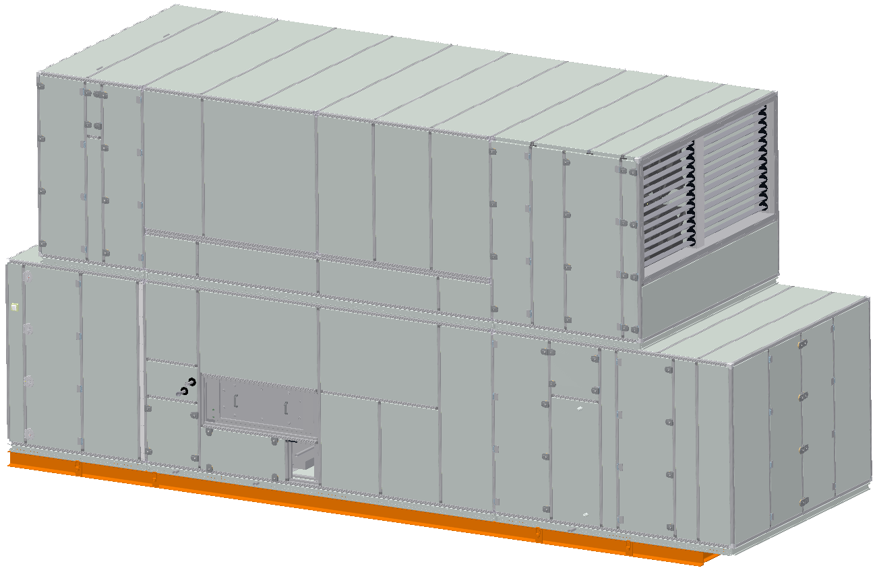
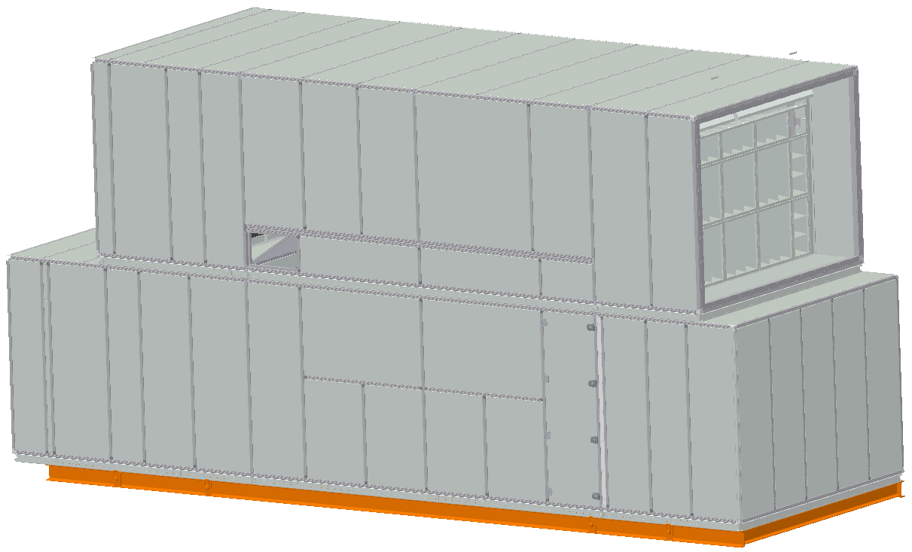

Service Side |  |  |  |  | Rear Side

Type (Damage, Seal or Corrosion) |  | Number |  | Comments

Circle and number any areas (Right Hand Unit):
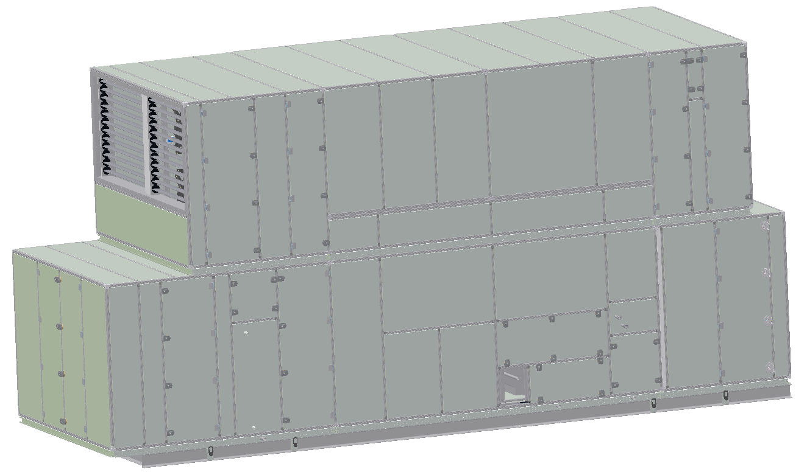
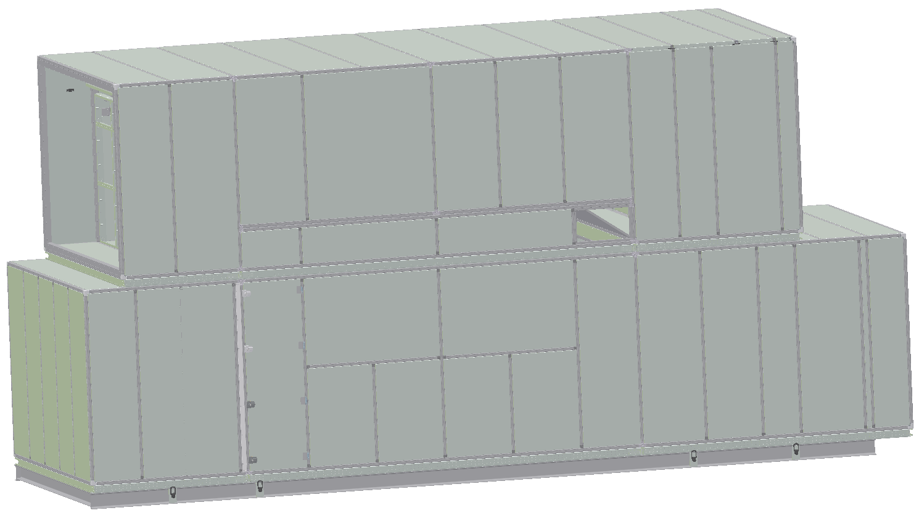

Service Side |  |  |  |  | Rear Side

Type (Damage, Seal or Corrosion) |  | Number |  | Comments
OK

All Door Stops fitted and operating correctly? |  |  |  | Yes
Alarm, Event & Maintenance Logs checked and OK? |  |  |  | Yes
Unit Cleaning (Hoovered/Wiped) carried out if required? |  |  |  | No

Notes:

4. Fans
Circle and number any areas:
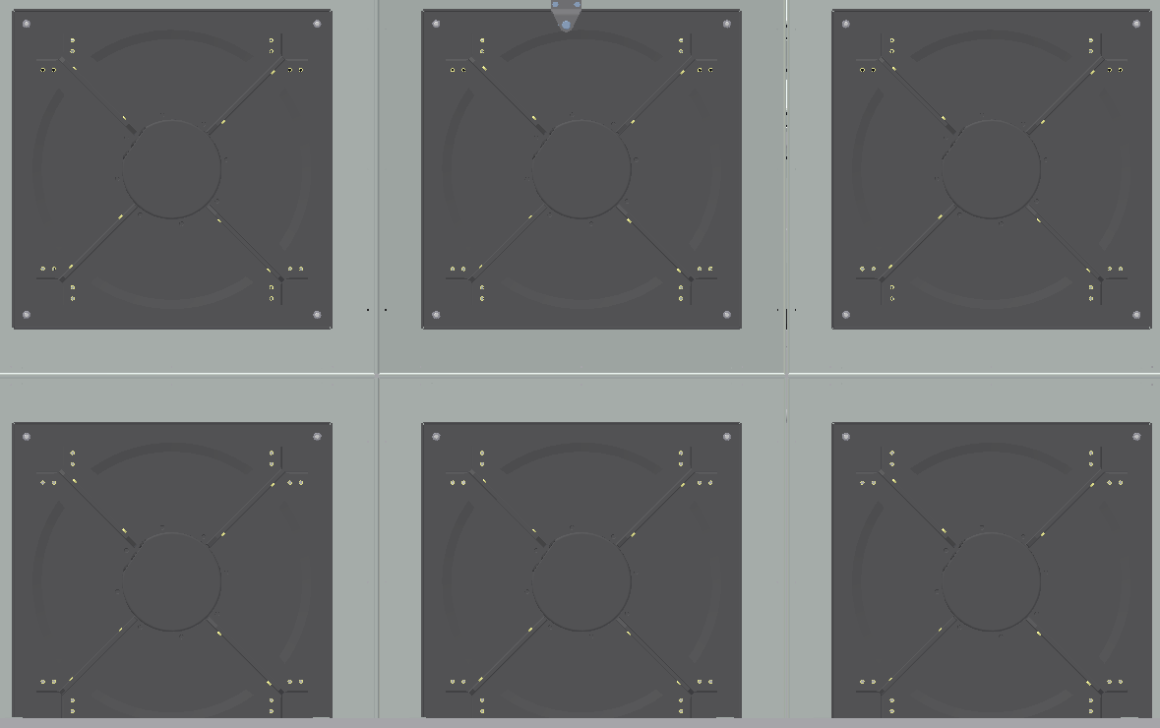
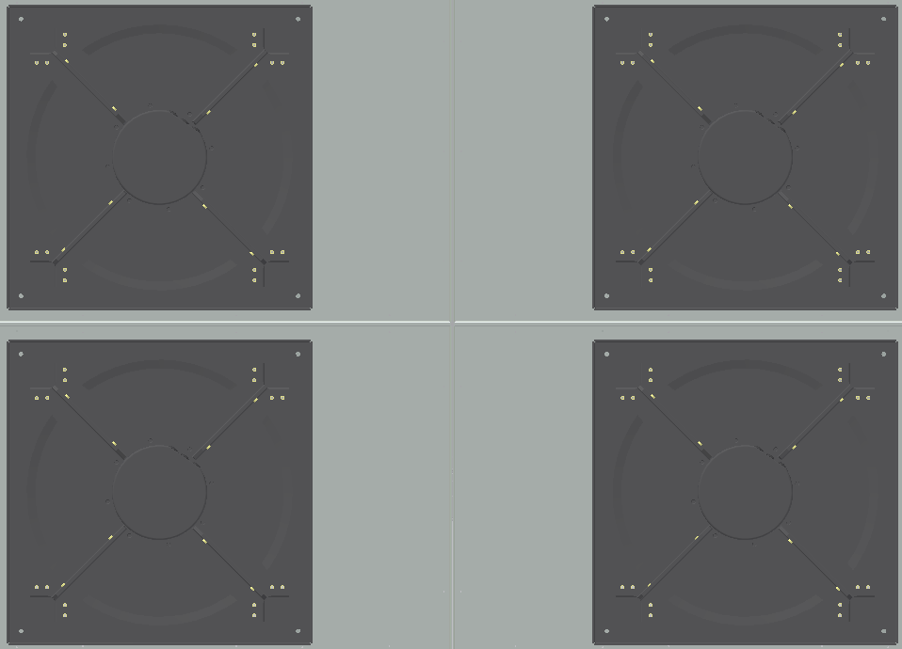

Supply (Air Off Side) |  |  |  |  | Exhaust (Air Off Side)

Type (Debris, Damage or Corrosion) |  | Number |  | Comments
Ok

All fans checked and free from noise or vibration? |  |  |  |  | Yes
Fan & Fan Section Cleaning (Hoovered/Wiped) carried out if required? |  |  |  |  | No

Item for Calibration |  | Sensor Reading |  | Calibrated Reading |  | Offset Applied
Supply Fan Pressure Sensor |  | 286 Pa |  | 292 Pa |  | 6 Pa
Exhaust Fan Pressure Sensor |  | 351 Pa |  | 360 Pa |  | 9 Pa

Notes:

5. Filters
Circle and number any areas:

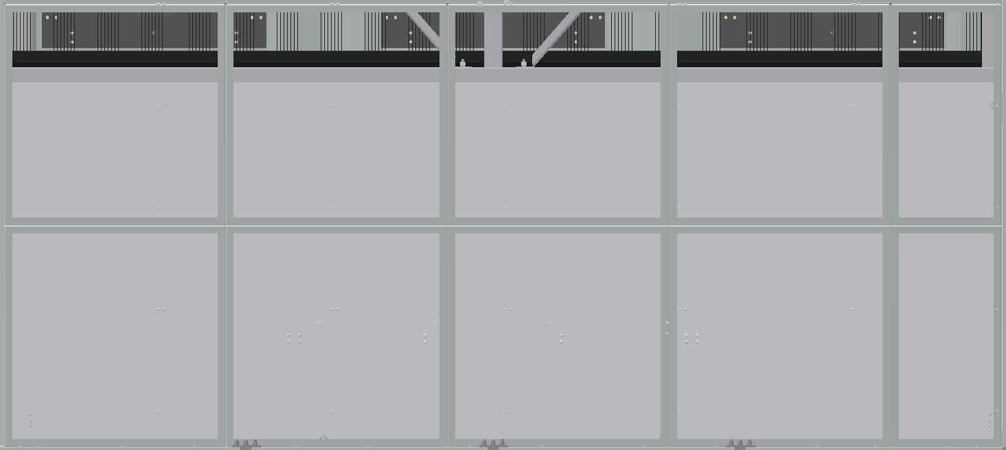

Fresh Air (Air On Side) |  |  |  |  | Return Air (Air On Side)

Type (Debris, Damage or Corrosion) |  | Number |  | Comments
Ok

Airstream | Actual Value (Pa) |  | Airflow (m3/h) |  | Fan Level (%) |  | Filter Dirty Limit
Fresh Air / Exhaust Air | 16 Pa |  | 22155 m3/h |  | 50.0 % |  | 150 Pa
Return Air / Supply Air | 12 Pa |  | 31041 m3/h |  | 50.0 % |  | 150 Pa

Filter Section Cleaning (Hoovered/Wiped) carried out if required? |  |  |  |  | Yes

Item for Calibration |  | Sensor Reading |  | Calibrated Reading |  | Offset Applied
Fresh Air Filter Pressure Sensor |  | 16 Pa |  | 19 Pa |  | 3 Pa
Return Air Filter Pressure Sensor |  | 12 Pa |  | 17 Pa |  | 5 Pa

Fresh Air Filters (Ambient Airstream) Replaced? |  |  |  | Yes
Return Air Filters (Data Centre Airstream) Replaced? |  |  |  | Yes

Notes:
1 x 287x287x360 filter missing on fresh air , not changed, and 4 fresh air filters are 287x592x360, but should be 592x287x360.

6. Exchangers (Coils & Plates)
Circle and number any areas:




Plate Exchanger |  |  |  |  | HR/Snow Melt Coil

Type (Debris, Damage or Corrosion) |  | Number |  | Comments
Ok

Checked for and free from any signs of leaks? |  |  |  |  | Yes
Exchanger Section(s) Cleaning (Hoovered/Wiped) carried out if required? |  |  |  |  | no

Notes:

7. Dampers
Winter By-Pass Damper driven end to end and physically witnessed? |  |  |  |  | Yes
Exhaust Air Damper driven end to end and physically witnessed? |  |  |  |  | Yes
Return Air Damper driven end to end and physically witnessed? |  |  |  |  | Yes
HR/Snow Melt By-Pass Damper driven end to end and physically witnessed? |  |  |  |  | Yes
Supply Air Damper driven end to end and physically witnessed? |  |  |  |  | Yes
Dampers & Damper Sections Cleaning (Hoovered/Wiped) carried out if required? |  |  |  |  | No

Notes:

8. Adiabatic Water System
Circle and number any areas (Left Hand Unit):
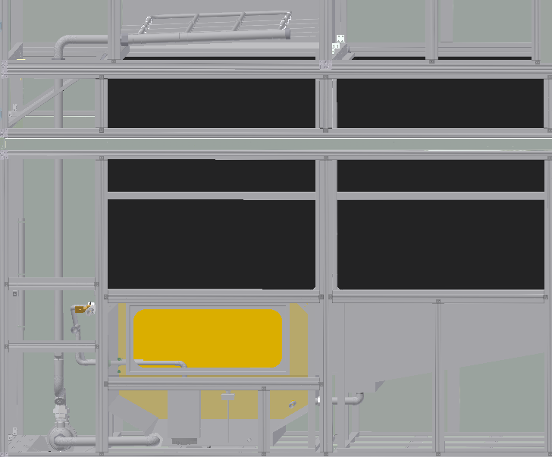

Type (Leak, Scale or Deposit/slurry) |  | Number |  | Comments

Circle and number any areas (Right Hand Unit):
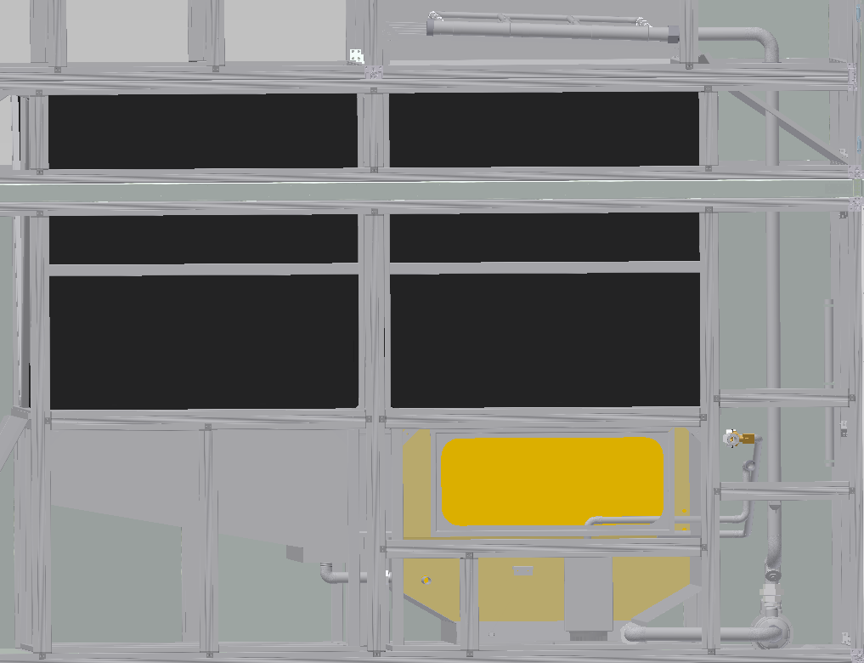

Type (Leak, Scale or Deposit/slurry) |  | Number |  | Comments
Water is closed due low temp.

Water tank was full of pollen. Took time to
clean it.

Adiabatic Pump Discharge Strainer Checked and if required cleaned? |  |  |  |  |  | Yes
Adiabatic Tank Water Level Sensor Rod checked for Tightness (4 Nm)?: |  |  |  |  |  | Yes
Adiabatic Spray Nozzles checked to ensure they give an even cone and if required cleaned? |  |  |  |  |  | Yes
Adiabatic Sump Manual Drain Valve Checked for correct operation? |  |  |  |  |  | NA

Item for Calibration |  | Sensor Reading |  | Calibrated Reading |  | Offset Applied
Adiabatic Tank Water Level Sensor |  | NA
Adiabatic Tank Water Temperature |  | NA

9. Controls & Control Panel
Overload settings checked and OK? |  |  |  | Yes
Main Controller checked for any battery warning messages and OK? |  |  |  | Yes
UPS Battery Condition checked and OK? |  |  |  | Yes

Plant Operating Hours: | 2187

Adiabatic Operating Hours: | 13

Total Water Consumption: | 6.372

Voltage Readings (Calibrated Readings)
L1 -> N: | 238 |  | L2 -> N: | 238 |  | L3 -> N: | 238
L1 -> L2: | 411 |  | L1 -> L3: | 410 |  | L2 -> L3: | 411
Current Readings (Calibrated Readings)
SUPPLY FAN
Fan Level: | 50 %
Fan 1 Current: | L1: | 1.10 A |  | L2: | 1.10 A |  | L3: | 1.10 A
Fan 2 Current: | L1: | 1.10 A |  | L2: | 1.10 A |  | L3: | 1.10 A
Fan 3 Current: | L1: | 1.10 A |  | L2: | 1.10 A |  | L3: | 1.10 A
Fan 4 Current: | L1: | 1.10 A |  | L2: | 1.10 A |  | L3: | 1.10 A
Fan 5 Current: | L1: | 1.10 A |  | L2: | 1.10 A |  | L3: | 1.10 A
Fan 6 Current: | L1: | 1.10 A |  | L2: | 1.10 A |  | L3: | 1.00 A
EXHAUST FAN
Fan Level: | 50 %
Fan 1 Current: | L1: | 0.80 A |  | L2: | 0.80 A |  | L3: | 0.80 A
Fan 2 Current: | L1: | 0.80 A |  | L2: | 0.80 A |  | L3: | 0.80 A
Fan 3 Current: | L1: | 0.80 A |  | L2: | 0.80 A |  | L3: | 0.80 A
Fan 4 Current: | L1: | 0.80 A |  | L2: | 0.80 A |  | L3: | 0.80 A

Control Panel Section Cleaning (Hoovered/Wiped) carried out if required? |  |  |  |  | Yes

Item for Calibration |  | Sensor Reading |  | Calibrated Reading |  | Offset Applied
Fresh Air Temperature Sensor |  | 13.3 °C |  | 13.3 °C |  | 0.0 °C
Fresh Air Humidity Sensor |  | 93.0 % |  | 89.6 % |  | -3.4 %
Plate Air On Temperature Sensor |  | 14.4 °C |  | 13.2 °C |  | -1.2 °C
Supply Air Temperature Sensor |  | 27.9 °C |  | 28.4 °C |  | 0.5 °C
Duct/Whitespace Pressure Sensor |  | 51.0 Pa |  | 55.0 Pa |  | 4.0 Pa
Return Air Temperature Sensor |  | 28.3 °C |  | 28.0 °C |  | 0.3 °C
Return Air Humidity Sensor |  | 37.3 % |  | 38.6 % |  | 1.3 %

Notes:

General
Maintenance Current Operating Hours Reset (Using the IEC Unit User Interface): |  |  |  |  | Yes

I confirm I have maintained the unit as per the maintenance task list:
Name: | Lasse Johansen / Svein Olav Aas |  |  |  | Date: | 2021-09-28
Position: | Enginer
Signature

